File2
 |  |  |  |  |  |  |  |  |  |  |  |  |  |  |  |  |  |  |  |  |  |  |  |  |  |  |  |  |  |  |  |  |  |  |  |  |  |  |  |  |  |  |  |  |  |  |  |  |  |  |  |  |  |  |  |  |  |  | EXPLANATION and ILLUSTATION

 |  |  |  |  |  |  |  |  |  |  |  |  |  |  |  |  | STEP 7 BUILD THE WALL WITH LETTER BRICKS

 |  |  |  |  |  |  |  |  |  |  | North West |  |  |  |  |  |  |  |  |  |  |  |  |  |  |  |  |  |  |  |  |  |  | North East
25 | 26 | 27 | 28 | 29 | 30 | 31 | 32 | 33 | 34 | 35 | 36 | 37 | 38 | 39 | 40 | 41 | 42 | 43 | 44 | 45 | 46 | 47 | 48 | 1 | 2 | 3 | 4 | 5 | 6 | 7 | 8 | 9 | 10 | 11 | 12 | 13 | 14 | 15 | 16 | 17 | 18 | 19 | 20 | 21 | 22 | 23 | 24 |  |  | 1 |  |  |  | 1 |  |  | 2 |  |  |  | 2 |  |  |  | 3 |  |  | 3 |  |  |  | 4 |  |  | 4
73 | 72 | 71 | 70 | 69 | 68 | 67 | 66 | 65 | 64 | 63 | 62 | 61 | 60 | 59 | 58 | 57 | 56 | 55 | 54 | 53 | 52 | 51 | 50 | 97 | 96 | 95 | 94 | 93 | 92 | 91 | 90 | 89 | 88 | 87 | 86 | 85 | 84 | 83 | 82 | 81 | 80 | 79 | 78 | 77 | 76 | 75 | 74 |  | O | B | K |  | R | A | C | V | Q | Q |  | P | F | Z |  | A | T | J | Z | Z | K |  | K | W | G | R | L | F
V | Q | Q | P | R | N | G | K | S | S | O | T | W | T | Q | S | J | Q | S | S | E | K | Z | Z | O | B | K | R | U | O | X | O | G | H | U | L | B | S | O | L | I | F | B | B | W | F | L | R |  | R | U | O |  | K | E | U | P | R | N |  | M | T | T |  | K | L | U | E | S | S |  | D | K | Z | W | B | B
P | F | Z | M | T | T | V | P | Y | N | B | F | N | I | W | A | I | D | U | L | K | J | T | A | R | A | C | K | E | U | A | U | H | U | K | G | I | D | C | J | T | X | Z | K | D | G | W | K |  | X | O | G |  | A | U | H | G | K | S |  | V | P | Y |  | D | I | A | Q | J | S |  | X | T | J | F | I | L
 |  |  |  |  |  |  |  |  |  |  |  |  |  |  |  |  |  |  |  |  |  |  |  |  |  |  |  |  |  |  |  |  |  |  |  |  |  |  |  |  |  |  |  |  |  |  |  |  | H | U | L |  | U | K | G | S | O | T |  | N | B | F |  | W | I | N | Q | T | W |  | C | D | I | O | S | B
K | W | G | D | K | Z | X | T | J | C | D | I | G | K | U | H | U | A | U | E | K | C | A | R | A | T | J | K | L | U | D | I | A | W | I | N | F | B | N | Y | P | V | T | T | M | Z | F | P |  | B | S | O |  | I | D | C | W | T | Q |  | N | I | W |  | F | B | N | T | O | S |  | G | K | U | L | U | H
R | L | F | W | B | B | F | I | L | O | S | B | L | U | H | G | O | X | O | U | R | K | B | O | Z | Z | K | E | S | S | Q | J | S | Q | T | W | T | O | S | S | K | G | N | R | P | Q | Q | V |  | L | I | F |  | J | T | X | S | J | Q |  | A | I | D |  | Y | P | V | S | K | G |  | H | U | A | G | O | X
74 | 75 | 76 | 77 | 78 | 79 | 80 | 81 | 82 | 83 | 84 | 85 | 86 | 87 | 88 | 89 | 90 | 91 | 92 | 93 | 94 | 95 | 96 | 97 | 50 | 51 | 52 | 53 | 54 | 55 | 56 | 57 | 58 | 59 | 60 | 61 | 62 | 63 | 64 | 65 | 66 | 67 | 68 | 69 | 70 | 71 | 72 | 73 |  | B | B | W |  | Z | K | D | S | S | E |  | U | L | K |  | T | T | M | N | R | P |  | U | E | K | O | U | R
24 | 23 | 22 | 21 | 20 | 19 | 18 | 17 | 16 | 15 | 14 | 13 | 12 | 11 | 10 | 9 | 8 | 7 | 6 | 5 | 4 | 3 | 2 | 1 | 48 | 47 | 46 | 45 | 44 | 43 | 42 | 41 | 40 | 39 | 38 | 37 | 36 | 35 | 34 | 33 | 32 | 31 | 30 | 29 | 28 | 27 | 26 | 25 |  | F | L | R |  | G | W | K | K | Z | Z |  | J | T | A |  | Z | F | P | Q | Q | V |  | C | A | R | K | B | O
 |  |  |  |  |  |  |  |  |  |  | South West |  |  |  |  |  |  |  |  |  |  |  |  |  |  |  |  |  |  |  |  |  |  | South East

 |  |  |  |  | L INKS |  |  |  |  |  |  |  |  |  |  |  |  |  |  |  |  |  |  |  |  |  |  |  |  |  |  |  |  |  |  |  |  |  |  |  |  |  |  |  |  |  |  |  |  |  |  |  |  |  |  |  | JIM SANBORN WORKSHOP
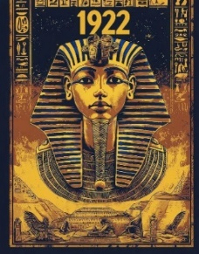
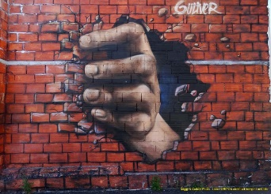
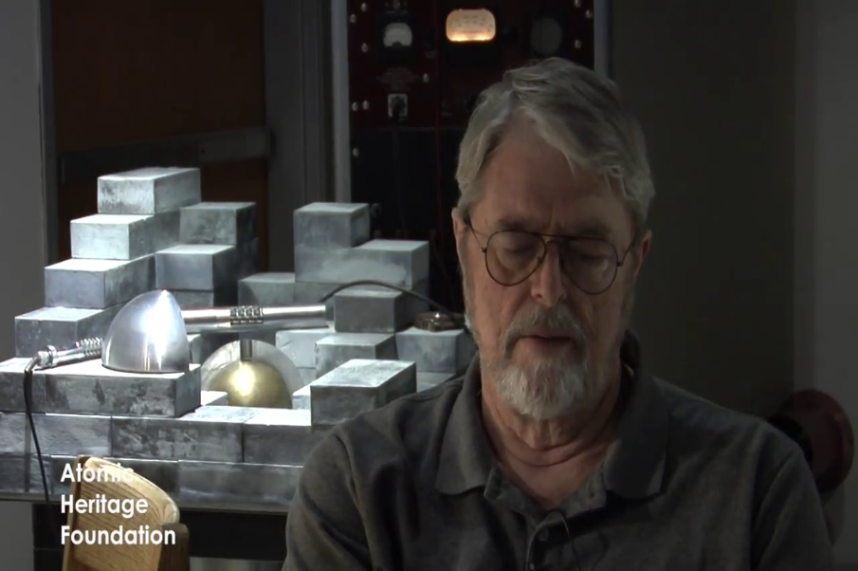
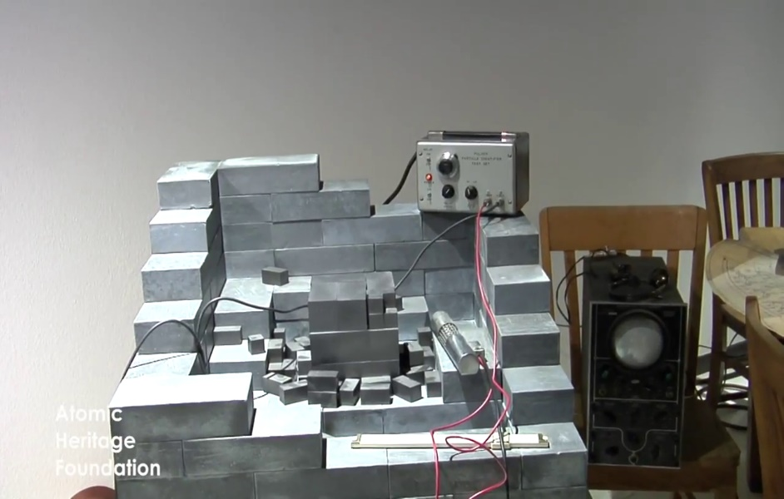

 |  |  |  |  |  |  |  |  |  |  |  |  |  |  |  |  |  |  | STEP 8 FIND FISRT KEY COORDONATE NORTH 77° 8 45 / 44 / 40 WEST

 |  |  |  |  |  | UPPER Left corner The opening of TUT TOMB
1989 Fall berlin wall |  |  |  |  |  | 1922 - 18 89 = 33 |  |  |  |  |  |  | North West |  |  |  |  |  |  |  |  |  |  |  |  |  |  |  |  |  |  |  |  | North East
97 | 96 | 95 | 94 | 93 | 92 | 91 | 90 | 89 | 88 | 87 | 86 | 85 | 84 | 83 | 82 | 81 | 80 | 79 | 78 | 77 | 76 | 75 | 74 | 73 | 72 | 71 | 70 | 69 | 68 | 67 | 66 | 65 | 64 | 63 | 62 | 61 | 60 | 59 | 58 | 57 | 56 | 55 | 54 | 53 | 52 | 51 | 50
25 | 26 | 27 | 28 | 29 | 30 | 31 | 32 | 33 | 34 | 35 | 36 | 37 | 38 | 39 | 40 | 41 | 42 | 43 | 44 | 45 | 46 | 47 | 48 | 1 | 2 | 3 | 4 | 5 | 6 | 7 | 8 | 9 | 10 | 11 | 12 | 13 | 14 | 15 | 16 | 17 | 18 | 19 | 20 | 21 | 22 | 23 | 24
O | B | K | R | U | O | X | O | G | H | U | L | B | S | O | L | I | F | B | B | W | F | L | R | V | Q | Q | P | R | N | G | K | S | S | O | T | W | T | Q | S | J | Q | S | S | E | K | Z | Z
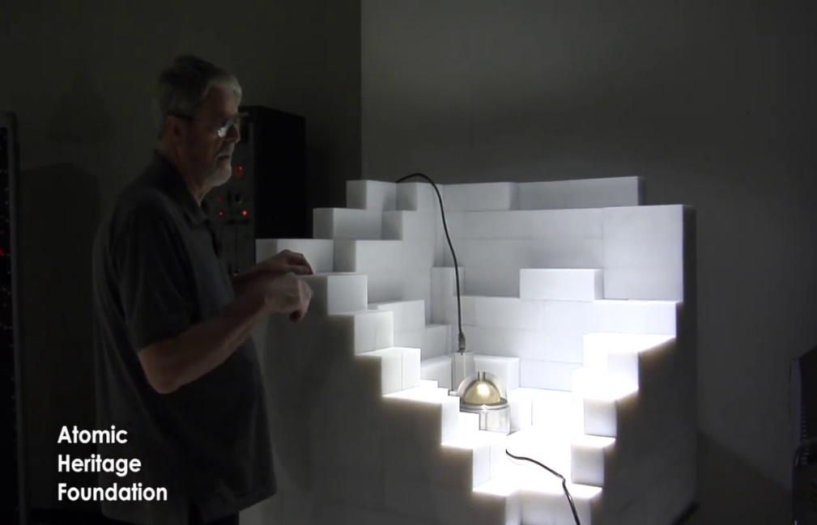
R | A | C | K | E | U | A | U | H | U | K | G | I | D | C | J | T | X | Z | K | D | G | W | K | P | F | Z | M | T | T | V | P | Y | N | B | F | N | I | W | A | I | D | U | L | K | J | T | A

A | T | J | K | L | U | D | I | A | W | I | N | F | B | N | Y | P | V | T | T | M | Z | F | P | K | W | G | D | K | Z | X | T | J | C | D | I | G | K | U | H | U | A | U | E | K | C | A | R
Z | Z | K | E | S | S | Q | J | S | Q | T | W | T | O | S | S | K | G | N | R | P | Q | Q | V | R | L | F | W | B | B | F | I | L | O | S | B | L | U | H | G | O | X | O | U | R | K | B | O
24 | 23 | 22 | 21 | 20 | 19 | 18 | 17 | 16 | 15 | 14 | 13 | 12 | 11 | 10 | 9 | 8 | 7 | 6 | 5 | 4 | 3 | 2 | 1 | 48 | 47 | 46 | 45 | 44 | 43 | 42 | 41 | 40 | 39 | 38 | 37 | 36 | 35 | 34 | 33 | 32 | 31 | 30 | 29 | 28 | 27 | 26 | 25
50 | 51 | 52 | 53 | 54 | 55 | 56 | 57 | 58 | 59 | 60 | 61 | 62 | 63 | 64 | 65 | 66 | 67 | 68 | 69 | 70 | 71 | 72 | 73 | 74 | 75 | 76 | 77 | 78 | 79 | 80 | 81 | 82 | 83 | 84 | 85 | 86 | 87 | 88 | 89 | 90 | 91 | 92 | 93 | 94 | 95 | 96 | 97
 |  |  |  |  |  |  |  |  |  |  | South West |  |  |  |  |  |  |  |  |  |  |  |  |  |  |  |  |  |  |  |  |  |  | South East

 |  |  |  |  |  |  |  |  |  |  | FIRST KEY FOUND COORDONATE NORTH 77° 8 45 / 44 / 40 WEST
 |  |  |  |  |  |  |  |  |  |  |  |  |  |  | Krypto's Coordinates
 |  |  |  |  |  |  |  |  |  |  |  |  |  |  | 38° 57 8 N 77° 8 45 W |  |  |  |  |  |  |  |  |  |  |  |  |  |  |  |  |  |  |  |  |  |  |  |  |  |  |  |  |  |  |  |  |  |  | Remember jim sanborn is not a cryptographer at all, he is an artist he creat art and his entire work is an art we need to think like him, he build his art with clues, to solve his art
 |  |  |  |  |  |  |  |  |  |  |  |  |  |  | 38° 57 6,5 N 77° 8 44 W |  |  |  |  |  |  |  |  |  |  |  |  |  |  |  |  |  |  |  |  |  |  |  |  |  |  |  |  |  |  |  |  |  |  | we will use only clues, the clues are the keys, the keys are stones , stones are coordonates
 |  |  |  |  |  |  |  |  |  |  | North West |  |  |  | 33° 57 2,5 N 77° 8 40 W |  |  |  |  |  |  |  |  |  |  |  |  |  |  |  |  |  |  | North East
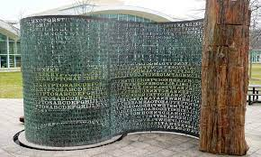
97 | 96 | 95 | 94 | 93 | 92 | 91 | 90 | 89 | 88 | 87 | 86 | 85 | 84 | 83 | 82 | 81 | 80 | 79 | 78 | 77 | 76 | 75 | 74 | 73 | 72 | 71 | 70 | 69 | 68 | 67 | 66 | 65 | 64 | 63 | 62 | 61 | 60 | 59 | 58 | 57 | 56 | 55 | 54 | 53 | 52 | 51 | 50
96 | 95 | 94 | 93 | 92 | 91 | 90 | 89 | 88 | 87 | 86 | 85 | 84 | 83 | 82 | 81 | 80 | 79 | 78 | 77 | 76 | 75 | 74 | 73 | 72 | 71 | 70 | 69 | 68 | 67 | 66 | 65 | 64 | 63 | 62 | 61 | 60 | 59 | 58 | 57 | 56 | 55 | 54 | 53 | 52 | 51 | 50
95 | 94 | 93 | 92 | 91 | 90 | 89 | 88 | 87 | 86 | 85 | 84 | 83 | 82 | 81 | 80 | 79 | 78 | 77 | 76 | 75 | 74 | 73 | 72 | 71 | 70 | 69 | 68 | 67 | 66 | 65 | 64 | 63 | 62 | 61 | 60 | 59 | 58 | 57 | 56 | 55 | 54 | 53 | 52 | 51 | 50
22 | 26 | 27 | 25 | 29 | 30 | 28 | 32 | 33 | 31 | 35 | 36 | 34 | 38 | 39 | 37 | 41 | 42 | 40 | 44 | 45 | 43 | 47 | 48 | 46 | 2 | 3 | 1 | 5 | 6 | 4 | 8 | 9 | 7 | 11 | 12 | 10 | 14 | 15 | 13 | 17 | 18 | 16 | 20 | 21 | 19 | 23 | 24
O | B | K | R | U | O | X | O | G | H | U | L | B | S | O | L | I | F | B | B | W | F | L | R | V | Q | Q | P | R | N | G | K | S | S | O | T | W | T | Q | S | J | Q | S | S | E | K | Z | Z
A | K | E | C | A | U | U | U | K | H | I | D | G | J | T | C | Z | K | X | G | W | D | P | F | K | M | T | Z | V | P | T | N | B | Y | N | I | Y | A | I | W | U | L | D | J | T | K | R | A

A | R | K | T | J | D | L | U | W | I | A | F | I | N | Y | B | N | T | P | V | Z | T | M | K | F | P | D | W | G | X | K | Z | C | T | J | G | D | I | H | K | U | U | U | A | C | E | K | A
Z | Z | K | E | S | S | Q | J | S | Q | T | W | T | O | S | S | K | G | N | R | P | Q | Q | V | R | L | F | W | B | B | F | I | L | O | S | B | L | U | H | G | O | X | O | U | R | K | B | O
24 | 23 | 19 | 21 | 20 | 16 | 18 | 17 | 13 | 15 | 14 | 10 | 12 | 11 | 7 | 9 | 8 | 4 | 6 | 5 | 1 | 3 | 2 | 46 | 48 | 47 | 43 | 45 | 44 | 40 | 42 | 41 | 37 | 39 | 38 | 34 | 36 | 35 | 31 | 33 | 32 | 28 | 30 | 29 | 25 | 27 | 26 | 22
50 | 51 | 52 | 53 | 54 | 55 | 56 | 57 | 58 | 59 | 60 | 61 | 62 | 63 | 64 | 65 | 66 | 67 | 68 | 69 | 70 | 71 | 72 | 73 | 74 | 75 | 76 | 77 | 78 | 79 | 80 | 81 | 82 | 83 | 84 | 85 | 86 | 87 | 88 | 89 | 90 | 91 | 92 | 93 | 94 | 95 | 96 | 97
 |  |  |  |  |  |  |  |  |  |  | South West |  |  |  |  |  |  |  |  |  |  |  |  |  |  |  |  |  |  |  |  |  |  | South East

 |  |  |  |  |  |  |  |  |  |  |  |  |  | STEP 9 FIND SECOND KEY COORDONATE NORTH ??° 8 45/ 44 / 40 WEST |  |  |  |  |  |  |  |  |  |  |  |  |  |  |  |  |  |  |  |  |  |  |  |  |  |  |  |  |  |  |  |  |  |  |  | 4 Pannels and petrified wood at the END of sculpture that means that the wood is the END
 |  |  |  |  |  |  |  |  |  |  |  |  |  |  |  |  |  |  |  |  |  |  |  |  |  |  |  |  |  |  |  |  |  |  |  |  |  |  |  |  |  |  |  |  |  |  |  |  |  | Petrified wood (from the Greek petro meaning "stone", literally "wood transformed into stone")
 |  |  |  |  |  |  |  |  |  |  |  |  |  |  |  |  |  |  |  |  |  |  |  |  |  |  |  |  |  |  |  |  |  |  |  |  |  |  |  |  |  |  |  |  |  |  |  |  |  | Petrified wood is composed of fossilized wood where organic matter has been replaced by minerals (most often silicates, such as quartz, but also pyrite
 |  |  |  |  |  |  |  |  |  |  |  |  |  |  |  |  |  |  |  |  |  |  |  |  |  |  |  |  |  |  |  |  |  |  |  |  |  |  |  |  |  |  |  |  |  |  |  |  |  |  |  | Wood = Mood = Mod (modulor in the calculate)
 |  |  |  |  |  |  |  |  |  |  |  |  |  |  |  |  |  |  |  |  |  |  |  |  |  |  |  |  |  |  |  |  |  |  |  |  |  |  |  |  |  |  |  |  |  |  |  |  |  |  |  | Mood = MUD =boue = bout = END = AND = ET = Eight = 8 = Mod = And = &
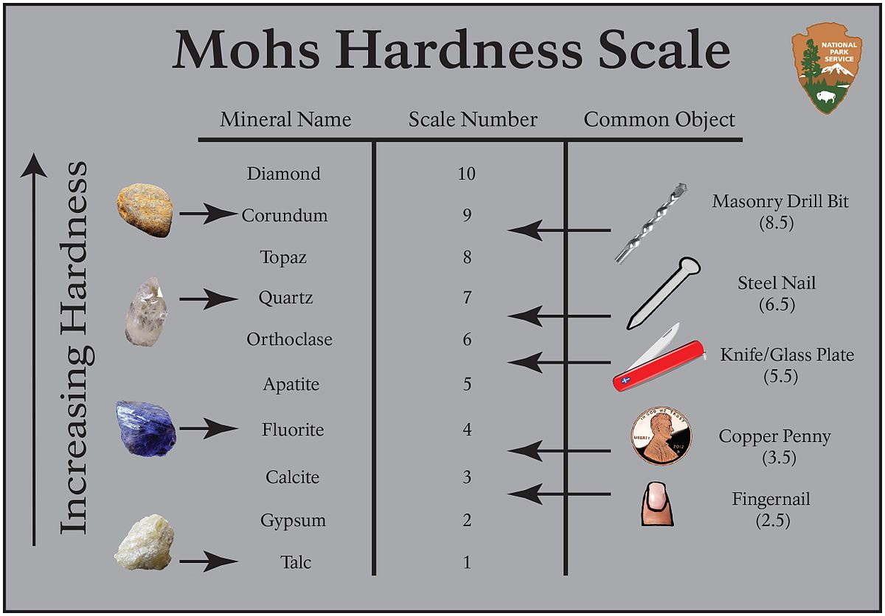
 |  |  |  |  |  |  |  |  |  |  |  |  |  |  |  |  |  |  |  |  |  |  |  |  |  |  |  |  |  |  |  |  |  |  |  |  |  |  |  |  |  |  |  |  |  |  |  |  |  |  |  |  |  |  |  |  |  |  |  |  |  |  | Mohs scale allows to measure the hardness of minerals
 |  |  |  |  |  |  |  |  |  |  |  |  |  |  |  |  |  |  |  |  |  |  |  |  |  |  |  |  |  |  |  |  |  |  |  |  |  |  |  |  |  |  |  |  |  |  |  |  |  |  |  |  |  |  |  |  |  |  |  |  |  |  | classified from the softest to the hardtest
 |  |  |  |  |  |  |  |  |  |  |  |  |  |  |  |  |  |  |  |  |  |  |  |  |  |  |  |  |  |  |  |  |  |  |  |  |  |  |  |  |  |  |  |  |  |  |  |  |  |  |  |  |  |  |  |  |  |  |  |  |  |  | SCALE = KEY = CLE = CEL = SEL= SALT = STONE = CRYSTAL

 |  |  |  |  |  |  |  |  |  |  |  |  |  |  |  |  |  |  |  |  |  |  |  |  |  |  |  |  |  |  |  |  |  |  |  |  |  |  |  |  |  |  |  |  |  |  |  |  |  |  |  |  |  |  |  |  |  |  |  |  |  |  |  |  | Fingernail is ongle in french ongle = angle or degree
 |  |  |  |  |  |  |  |  |  |  |  |  |  |  |  |  |  |  |  |  |  |  |  |  |  |  |  |  |  |  |  |  |  |  |  |  |  |  |  |  |  |  |  |  |  |  |  |  |  |  |  |  |  |  |  |  |  |  |  |  |  |  |  |  | It' means that the three coodinates are the keys, we need to find the good angle or degree
 |  |  |  |  |  |  |  |  |  |  |  |  |  |  |  |  |  |  |  |  |  |  |  |  |  |  |  |  |  |  |  |  |  |  |  |  |  |  |  |  |  |  |  |  |  |  |  |  |  |  |  |  |  |  |  |  |  |  |  |  |  |  |  |  | to find the right keyword

 |  |  |  |  |  |  |  |  |  |  |  |  |  |  |  |  |  |  |  |  |  |  |  |  |  |  |  |  |  |  |  |  |  |  |  |  |  |  |  |  |  |  |  |  |  |  |  |  |  |  |  |  |  |  |  |  |  |  |  |  |  |  |  |  | Krypto's Coordinates
 |  |  |  |  |  |  |  |  |  |  |  |  |  |  |  |  |  |  |  |  |  |  |  |  |  |  |  |  |  |  |  |  |  |  |  |  |  |  |  |  |  |  |  |  |  |  |  |  |  |  |  |  |  |  |  |  |  |  |  |  |  |  |  |  | 38° 57 8 N 77° 8 45 W
 |  |  |  |  |  |  |  |  |  |  |  |  |  |  |  |  |  |  |  |  |  |  |  |  |  |  |  |  |  |  |  |  |  |  |  |  |  |  |  |  |  |  |  |  |  |  |  | last Message 38° 12 6, 5 N 77° 8 4 4 West |  |  |  |  |  |  |  |  |  |  |  |  |  |  |  |  | 38° 57 6,5 N 77° 8 44 W
 |  |  |  |  |  |  |  |  |  |  |  |  |  |  |  |  |  |  |  |  |  |  |  |  |  |  |  |  |  |  |  |  |  |  |  |  |  |  |  |  |  |  |  |  |  |  | Anagramm |  | K L F E N LOVE AND CROSS West |  |  |  |  |  |  |  |  |  |  |  |  |  |  |  | 33° 57 2,5 N 77° 8 40 W
 |  |  |  |  |  |  |  |  |  |  |  |  |  |  |  |  |  |  |  |  |  |  |  |  |  |  |  |  |  |  |  |  |  |  |  |  |  |  |  |  |  |  |  |  |  |  | K L E F |  |  |  |  |  |  |  |  |  |  |  |  |  |  |  |  |  |  |  |  | VIGINERE C IPHER |  |  |  |  | To F ind a message
 |  |  |  |  |  |  |  |  |  |  |  |  |  |  |  |  |  |  |  |  |  |  |  |  |  |  |  |  |  |  |  |  |  |  |  |  |  |  |  |  |  |  |  |  |  |  |  |  |  | C L E F |  |  |  |  |  |  |  |  |  |  |  |  |  |  | Message = Cipher - KEY mod N
 |  |  |  |  |  |  |  |  |  |  |  |  |  |  |  |  |  |  |  |  |  |  |  |  |  |  |  |  |  |  |  |  |  |  |  |  |  |  |  |  |  |  |  |  |  |  |  |  |  |  |  | KEY North angle Eight angle West |  |  |  |  |  |  |  |  |  |  |  |  | Message = Cipher - Angle mod Angle
#NAME? |  |  |  |  |  |  |  |  |  |  |  |  |  |  |  |  |  |  |  |  |  |  |  |  |  |  |  |  |  |  |  |  |  |  |  |  |  |  |  |  |  |  |  |  |  |  |  |  |  |  |  | KEY North angle Et angle West |  |  |  |  |  |  |  |  |  |  |  |  | We have three Coordonates or three angles = TRIANGLE
 |  |  |  |  |  |  |  |  |  |  |  |  |  |  |  |  |  |  |  |  |  |  |  |  |  |  |  |  |  |  |  |  |  |  |  |  |  |  |  |  |  |  |  |  |  |  |  |  |  |  |  | KEY North angle And angle West |  |  |  |  |  |  |  |  |  |  |  |  | Phytagor's teorem a² + b² = C²
 |  |  |  |  |  |  |  |  |  |  |  |  |  |  |  |  |  |  |  |  |  |  |  |  |  |  |  |  |  |  |  |  |  |  |  |  |  |  |  |  |  |  |  |  |  |  |  |  |  |  |  | KEY North angle End angle West |  |  |  |  |  |  |  |  |  |  |  |  |  |  |  |  |  | = Cipher² - KEY mod N
 |  |  |  |  |  |  |  |  |  |  |  |  |  |  |  |  |  |  |  |  |  |  |  |  |  |  |  |  |  |  |  |  |  |  |  |  |  |  |  |  |  |  |  |  |  |  |  |  |  |  |  | KEY North angle Bout angle West
 |  |  |  |  |  |  |  |  |  |  |  |  |  |  |  |  |  |  |  |  |  |  |  |  |  |  |  |  |  |  |  |  |  |  |  |  |  |  |  |  |  |  |  |  |  |  |  |  |  |  |  | KEY North angle Boue angle West |  |  |  |  |  |  |  |  |  |  |  |  |  |  |  | M essage = (a² + b²)² - KEY mod N
 |  |  |  |  |  |  |  |  |  |  |  |  |  |  |  |  |  |  |  |  |  |  |  |  |  |  |  |  |  |  |  |  |  |  |  |  |  |  |  |  |  |  |  |  |  |  |  |  |  |  |  | KEY North angle MUD angle West |  |  |  |  |  |  |  |  |  |  |  |  |  |  |  |  |  | a² is PLAINTEXT
 |  |  |  |  |  |  |  |  |  |  |  |  |  |  |  |  |  |  |  |  |  |  |  |  |  |  |  |  |  |  |  |  |  |  |  |  |  |  |  |  |  |  |  |  |  |  |  |  |  |  |  | KEY North angle MOD angle West |  |  |  |  |  |  |  |  |  |  |  |  |  |  |  |  |  | b² is keyword
 |  |  |  |  |  |  |  |  |  |  |  |  |  |  |  |  |  |  |  |  |  |  |  |  |  |  |  |  |  |  |  |  |  |  |  |  |  |  |  |  |  |  |  |  |  |  |  |  |  |  |  |  |  |  |  |  |  |  |  |  |  |  |  |  |  |  |  |  |  | C² IS THE RESULT

 |  |  |  |  |  |  |  |  |  |  |  |  |  |  |  |  |  |  |  |  |  |  |  |  |  |  |  |  |  |  |  |  |  |  |  |  |  |  |  |  |  |  |  |  |  |  |  |  |  |  |  |  |  |  |  |  |  |  |  |  | LEST's play with the word COORDONATE or COORDONNEE in french
 |  |  |  |  |  |  |  |  |  |  |  |  |  |  |  |  |  |  |  |  |  |  |  |  |  |  |  |  |  |  |  |  |  |  |  |  |  |  |  |  |  |  |  |  |  |  |  |  |  |  |  |  |  |  |  |  |  |  |  |  |  |  |  |  |  | origin of word coordonate
 |  |  |  |  |  |  |  |  |  |  |  |  |  |  |  |  |  |  |  |  |  |  |  |  |  |  |  |  |  |  |  |  |  |  |  |  |  |  |  |  |  |  |  |  |  |  |  |  |  |  |  |  |  |  |  |  |  |  |  |  | CORDON in french = F il a rope
 |  |  |  |  |  |  |  |  |  |  |  |  |  |  |  |  |  |  |  |  |  |  |  |  |  |  |  |  |  |  |  |  |  |  |  |  |  |  |  |  |  |  |  |  |  |  |  |  |  |  |  |  |  |  |  |  |  |  |  |  | COR means stone |  |  |  | like corse county of stone, like corner =angle or ongle
 |  |  |  |  |  |  |  |  |  |  |  |  |  |  |  |  |  |  |  |  |  |  |  |  |  |  |  |  |  |  |  |  |  |  |  |  |  |  |  |  |  |  |  |  |  |  |  |  |  |  |  |  |  |  |  |  |  |  |  |  | DON means a GIFT a Gi = Ki = key = Stone |  |  |  |  |  |  |  |  | anagram of DON =OND DAN = AND DEN = END
 |  |  |  |  |  |  |  |  |  |  |  |  |  |  |  |  |  |  |  |  |  |  |  |  |  |  |  |  |  |  |  |  |  |  |  |  |  |  |  |  |  |  |  |  |  |  |  |  |  |  |  |  |  |  |  |  |  |  |  |  | And = ET = Eight =8 another way to write and is this symbol &

 |  |  |  |  |  |  |  |  |  |  |  |  |  |  |  |  |  |  |  |  |  |  |  |  |  |  |  |  |  |  |  |  |  |  |  |  |  |  |  |  |  |  |  |  |  |  |  |  |  |  |  |  |  |  |  |  |  | MASKING TECHNIIC USED CONCEALMENT

 |  |  |  |  |  |  |  |  |  |  |  |  |  |  |  |  |  |  |  |  |  |  |  |  |  |  |  |  |  |  |  |  |  |  |  |  |  |  |  |  |  |  |  |  |  |  |  |  |  |  |  |  |  |  |  |  |  |  | Nymerology
 |  |  |  |  |  |  |  |  |  |  |  |  |  |  |  |  |  |  |  |  |  |  |  |  |  |  |  |  |  |  |  |  |  |  |  |  |  |  |  |  |  |  |  |  |  |  |  |  |  |  |  |  |  |  |  |  |  |  | Anagramm
 |  |  |  |  |  |  |  |  |  |  |  |  |  |  |  |  |  |  |  |  |  |  |  |  |  |  |  |  |  |  |  |  |  |  |  |  |  |  |  |  |  |  |  |  |  |  |  |  |  |  |  |  |  |  |  |  |  |  | Gematria
 |  |  |  |  |  |  |  |  |  |  |  |  |  |  |  |  |  |  |  |  |  |  |  |  |  |  |  |  |  |  |  |  |  |  |  |  |  |  |  |  |  |  |  |  |  |  |  |  |  |  |  |  |  |  |  |  |  |  | Language of Birds
 |  |  |  |  |  |  |  |  |  |  |  |  |  |  |  |  |  |  |  |  |  |  |  |  |  |  |  |  |  |  |  |  |  |  |  |  |  |  |  |  |  |  |  |  |  |  |  |  |  |  |  |  |  |  |  |  |  |  | Ancients mysters
 |  |  |  |  |  |  |  |  |  |  |  |  |  |  |  |  |  |  |  |  |  |  |  |  |  |  |  |  |  |  |  |  |  |  |  |  |  |  |  |  |  |  |  |  |  |  |  |  |  |  |  |  |  |  |  |  |  |  | Lost symbol

 |  |  |  |  |  |  |  |  |  |  |  |  |  |  |  |  |  |  |  |  |  |  |  |  |  |  |  |  |  |  |  |  |  |  |  |  |  |  |  |  |  |  |  |  |  |  |  |  |  |  |  |  |  |  |  |  |  |  |  |  |  |  |  |  |  |  |  |  |  |  |  |  |  |  |  |  | 7

File4
 |  |  |  |  |  |  |  |  |  |  |  |  |  |  | K | R | Y | P | T | O | S |  | K | 4 |  | S | O | L | U | T | I | O | N
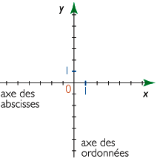

 | 0
 |  | 1 | 2 | 3 | 4 | 5 | 6 | 7 | 8 | 9 | 10 | 11 | 12 | 13 | 14 | 15 | 16 | 17 | 18 | 19 | 20 | 21 | 22 | 23 | 24
 |  | 2 | 3 | 4 | 5 | 6 | 7 | 8 | 9 | 10 | 11 | 12 | 13 | 14 | 15 | 16 | 17 | 18 | 19 | 20 | 21 | 22 | 23 | 24 | 25
 |  | 3 | 4 | 5 | 6 | 7 | 8 | 9 | 10 | 11 | 12 | 13 | 14 | 15 | 16 | 17 | 18 | 19 | 20 | 21 | 22 | 23 | 24 | 25 | 26
 |  | 97 | 96 | 95 | 94 | 93 | 92 | 91 | 90 | 89 | 88 | 87 | 86 | 85 | 84 | 83 | 82 | 81 | 80 | 79 | 78 | 77 | 76 | 75 | 74
 |  | 96 | 95 | 94 | 93 | 92 | 91 | 90 | 89 | 88 | 87 | 86 | 85 | 84 | 83 | 82 | 81 | 80 | 79 | 78 | 77 | 76 | 75 | 74 | 73
 |  | 95 | 94 | 93 | 92 | 91 | 90 | 89 | 88 | 87 | 86 | 85 | 84 | 83 | 82 | 81 | 80 | 79 | 78 | 77 | 76 | 75 | 74 | 73 | 72
 |  | 22 | 26 | 27 | 25 | 29 | 30 | 28 | 32 | 33 | 31 | 35 | 36 | 34 | 38 | 39 | 37 | 41 | 42 | 40 | 44 | 45 | 43 | 47 | 48 |  |  |  |  |  |  | S | E | C | O | N | D |  | K | E | Y
 |  | 26 | 27 | 25 | 29 | 30 | 28 | 32 | 33 | 31 | 35 | 36 | 34 | 38 | 39 | 37 | 41 | 42 | 40 | 44 | 45 | 43 | 47 | 48
 |  | 27 | 25 | 29 | 30 | 28 | 32 | 33 | 31 | 35 | 36 | 34 | 38 | 39 | 37 | 41 | 42 | 40 | 44 | 45 | 43 | 47 | 48 |  |  |  |  |  |  |  |  |  |  |  |  | I WILL GIVE IT NEXT
Plaintext |  | O | B | K | R | U | O | X | O | G | H | U | L | B | S | O | L | I | F | B | B | W | F | L | R
 |  | B | K | R | U | O | X | O | G | H | U | L | B | S | O | L | I | F | B | B | W | F | L | R
 |  | K | R | U | O | X | O | G | H | U | L | B | S | O | L | I | F | B | B | W | F | L | R
PASSWORD |  | A | K | E | C | A | U | U | U | K | H | I | D | G | J | T | C | Z | K | X | G | W | D | L | T
Message |  | T | N | O | R | T | H | E | A | S | T | B | E | R | L | I | N | C | L | O | C | K | E | A | S
 |  | N | O | R | T | H | E | A | S | T | B | E | R | L | I | N | C | L | O | C | K | E | A | S | T
 |  | O | R | T | H | E | A | S | T | B | E | R | L | I | N | C | L | O | C | K | E | A | S | T | N

 |  | L | C | N | I | L | R | E | B | T | S | A | E | H | T | R | O | N | T | S | A | E | K | C | O
 |  | O | L | C | N | I | L | R | E | B | T | S | A | E | H | T | R | O | N | T | S | A | E | K | C
 |  | C | O | L | C | N | I | L | R | E | B | T | S | A | E | H | T | R | O | N | T | S | A | E | K

 |  |  |  |  |  |  |  |  |  |  |  |  |  |  |  |  |  |  |  |  |  |  |  |  |  |  | O | C | K | E | A | S | T | N | O | R | T | H | E | A | S | T | B | E | R | L | I | N | C | L
 |  |  | Plaintext combinaison |  |  |  |  |  |  |  |  |  | Keyword combinaison |  |  |  |  |  |  |  |  |  |  |  |  |  | C | K | E | A | S | T | N | O | R | T | H | E | A | S | T | B | E | R | L | I | N | C | L | O
 |  |  |  |  | 97 | 96 | 95 |  |  |  |  |  |  |  | 22 | 26 | 27 |  |  |  |  |  |  |  |  |  | K | E | A | S | T | N | O | R | T | H | E | A | S | T | B | E | R | L | I | N | C | L | O | C
 |  |  |  |  | 96 | 95 | 94 |  |  |  |  |  |  |  | 26 | 27 | 25
 |  |  |  |  | 95 | 94 | 93 |  |  |  |  |  |  |  | 27 | 25 | 29
 |  |  |  |  | O | B | K |  |  |  |  |  |  |  | A | K | E |  |  |  |  |  |  |  |  |  | E | K | C | O | L | C | N | I | L | R | E | B | T | S | A | E | H | T | R | O | N | T | S | A
 |  |  |  |  | O | K | B |  |  |  |  |  |  |  | A | E | K |  |  |  |  |  |  |  |  |  | A | E | K | C | O | L | C | N | I | L | R | E | B | T | S | A | E | H | T | R | O | N | T | S
 |  |  |  |  | B | O | K |  |  |  |  |  |  |  | K | A | E |  |  |  |  |  |  |  |  |  | S | A | E | K | C | O | L | C | N | I | L | R | E | B | T | S | A | E | H | T | R | O | N | T
PASSWORD |  |  |  |  | B | K | O |  |  |  |  |  |  |  | K | E | A |  |  |  |  |  |  |  |  |  | D | L | T | X | G | W | C | Z | K | G | J | T | H | I | D | U | O | K | C | A | U | A | K | E
 |  |  |  |  | K | O | B |  |  |  |  |  |  |  | E | K | A |  |  |  |  |  |  |  |  |  |  |  | R | L | F | W | B | B | F | I | L | O | S | B | L | U | H | G | O | X | O | U | R | K
 |  |  |  |  | K | B | O |  |  |  |  |  |  |  | E | A | K |  |  |  |  |  |  |  |  |  |  | R | L | F | W | B | B | F | I | L | O | S | B | L | U | H | G | O | X | O | U | R | K | B
 |  |  |  |  |  |  |  |  |  |  |  |  |  |  |  |  |  |  |  |  |  |  |  |  |  |  | R | L | F | W | B | B | F | I | L | O | S | B | L | U | H | G | O | X | O | U | R | K | B | O
 |  |  |  |  |  |  |  |  |  |  |  |  |  |  |  |  |  |  |  |  |  |  |  |  |  |  | 50 | 49 | 48 | 47 | 43 | 45 | 44 | 40 | 42 | 41 | 37 | 39 | 38 | 34 | 36 | 35 | 31 | 33 | 32 | 28 | 30 | 29 | 25 | 51
 |  |  |  |  |  |  |  |  |  |  |  |  |  |  |  |  |  |  |  |  |  |  |  |  |  |  | 49 | 48 | 47 | 43 | 45 | 44 | 40 | 42 | 41 | 37 | 39 | 38 | 34 | 36 | 35 | 31 | 33 | 32 | 28 | 30 | 29 | 25 | 51 | 50
 |  |  |  |  |  |  |  |  |  |  |  |  |  |  |  |  |  |  |  |  |  |  |  |  |  |  | 48 | 47 | 43 | 45 | 44 | 40 | 42 | 41 | 37 | 39 | 38 | 34 | 36 | 35 | 31 | 33 | 32 | 28 | 30 | 29 | 25 | 51 | 50 | 49
 |  |  |  |  |  |  |  |  |  |  |  |  |  |  |  |  |  |  |  |  |  |  |  |  |  |  | 72 | 73 | 74 | 75 | 76 | 77 | 78 | 79 | 80 | 81 | 82 | 83 | 84 | 85 | 86 | 87 | 88 | 89 | 90 | 91 | 92 | 93 | 94 | 95
 |  |  |  |  |  |  |  |  |  |  |  |  |  |  |  |  |  |  |  |  |  |  |  |  |  |  | 73 | 74 | 75 | 76 | 77 | 78 | 79 | 80 | 81 | 82 | 83 | 84 | 85 | 86 | 87 | 88 | 89 | 90 | 91 | 92 | 93 | 94 | 95 | 96
 |  |  |  |  |  |  |  |  |  |  |  |  |  |  |  |  |  |  |  |  |  |  |  |  |  |  | 74 | 75 | 76 | 77 | 78 | 79 | 80 | 81 | 82 | 83 | 84 | 85 | 86 | 87 | 88 | 89 | 90 | 91 | 92 | 93 | 94 | 95 | 96 | 97
 |  |  |  |  |  |  |  |  |  |  |  |  |  |  |  |  |  |  |  |  |  |  |  |  |  |  | 24 | 23 | 22 | 21 | 20 | 19 | 18 | 17 | 16 | 15 | 14 | 13 | 12 | 11 | 10 | 9 | 8 | 7 | 6 | 5 | 4 | 3 | 2 | 1
 |  |  |  |  |  |  |  |  |  |  |  |  |  |  |  |  |  |  |  |  |  |  |  |  |  |  | 25 | 24 | 23 | 22 | 21 | 20 | 19 | 18 | 17 | 16 | 15 | 14 | 13 | 12 | 11 | 10 | 9 | 8 | 7 | 6 | 5 | 4 | 3 | 2
 |  |  |  |  |  |  |  |  |  |  |  |  |  |  |  |  |  |  |  |  |  |  |  |  |  |  | 26 | 25 | 24 | 23 | 22 | 21 | 20 | 19 | 18 | 17 | 16 | 15 | 14 | 13 | 12 | 11 | 10 | 9 | 8 | 7 | 6 | 5 | 4 | 3

